Data Quality
Sl.No | Test Case Name | Output in Application | Additional | Actual Output (from SQL) | Priority | Status | Tested By | Date Tested | Comments / Notes
0 | Admin Setup Health | 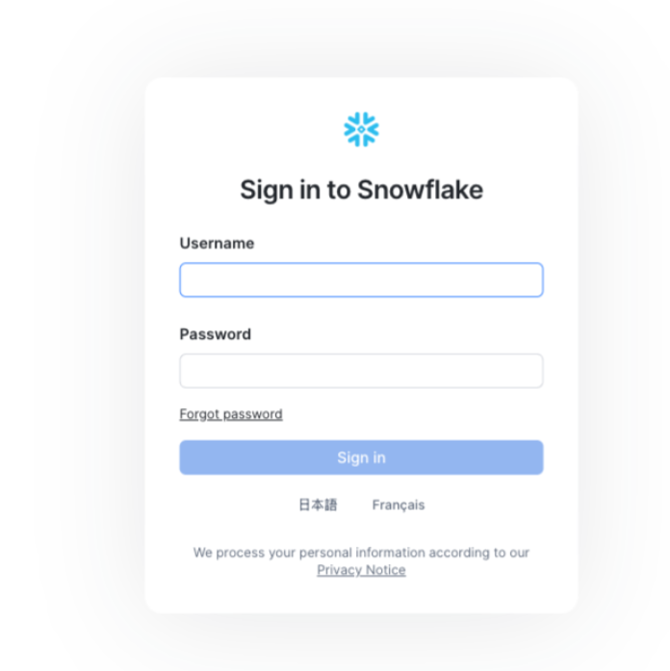 | 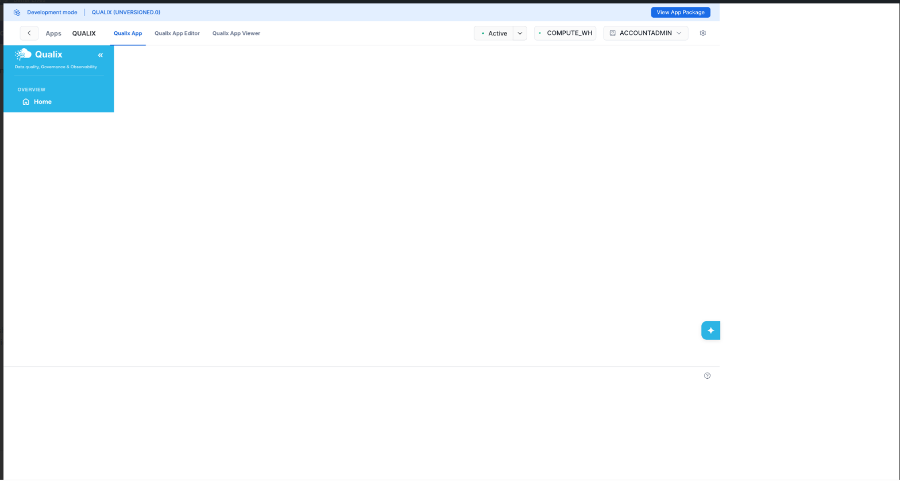 |  | Low | Pass | Satwika Meenan | 2026-08-27
1 | Rules Empty State | 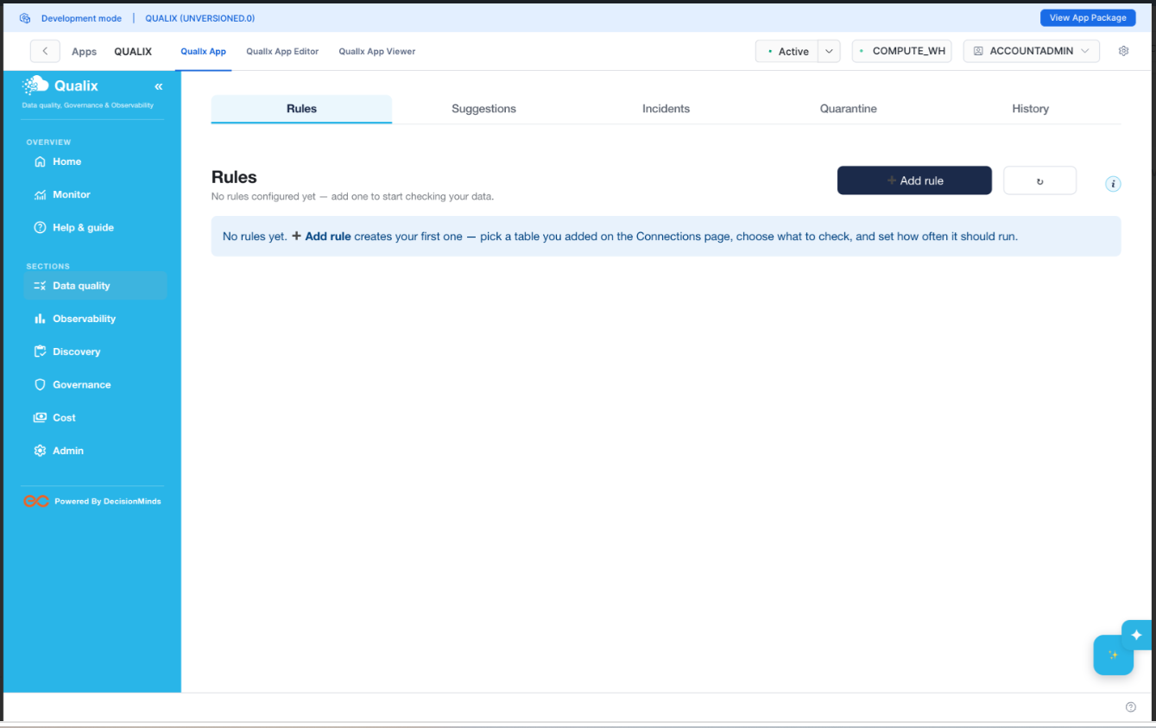 |  |  | Low | Pass | Satwika Meenan | 2026-08-28
2 | Add Rule Dialog Default | 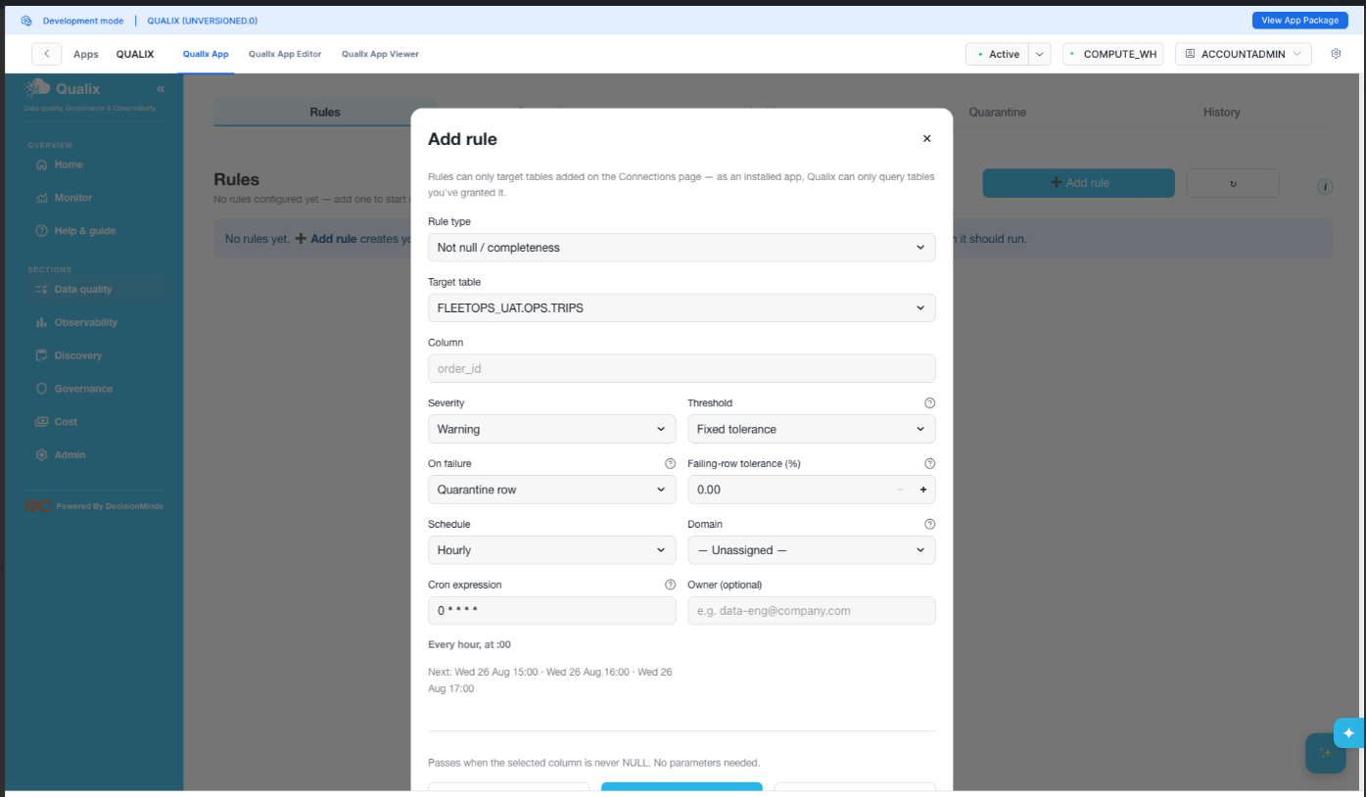 |  |  | Low | Pass | Satwika Meenan | 2026-08-29
3 | Rule01 Not Null Form Filled | 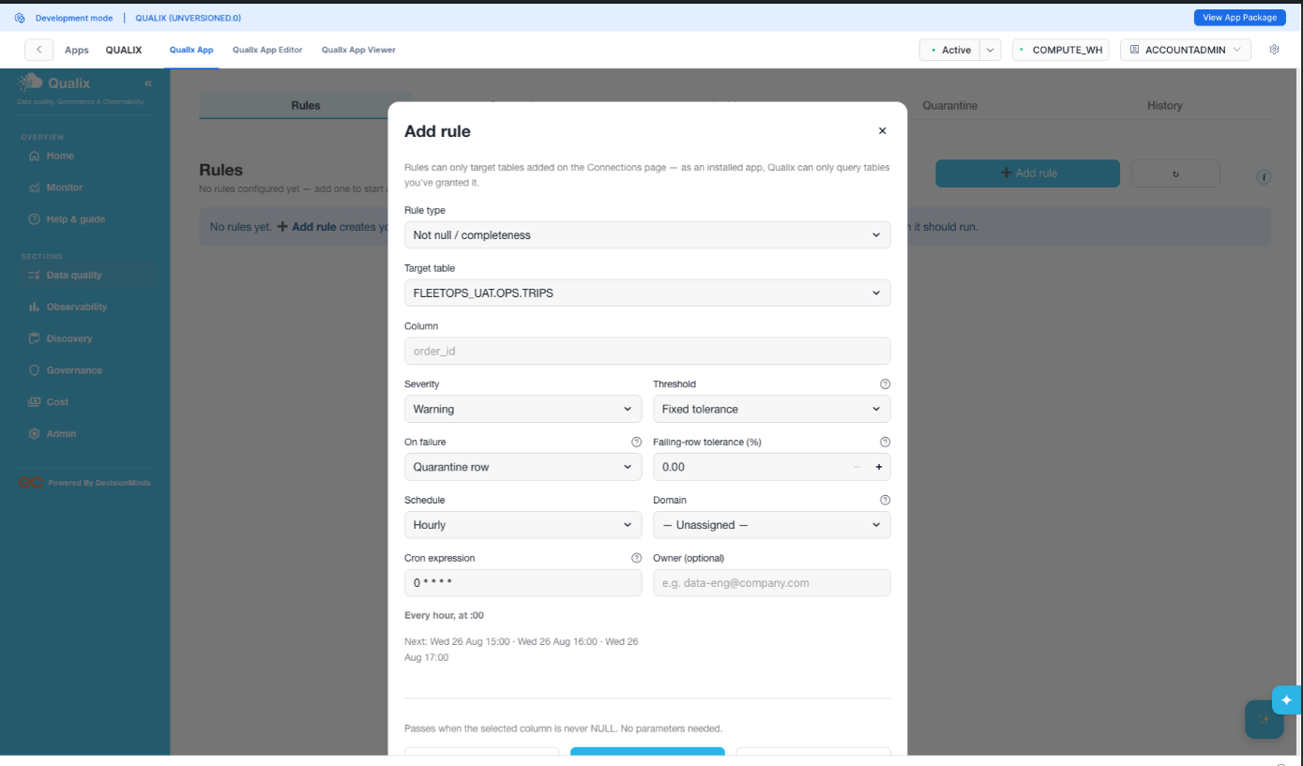 |  |  | Low | Pass | Satwika Meenan | 2026-08-30
4 | Rule01 Saved Rules List | 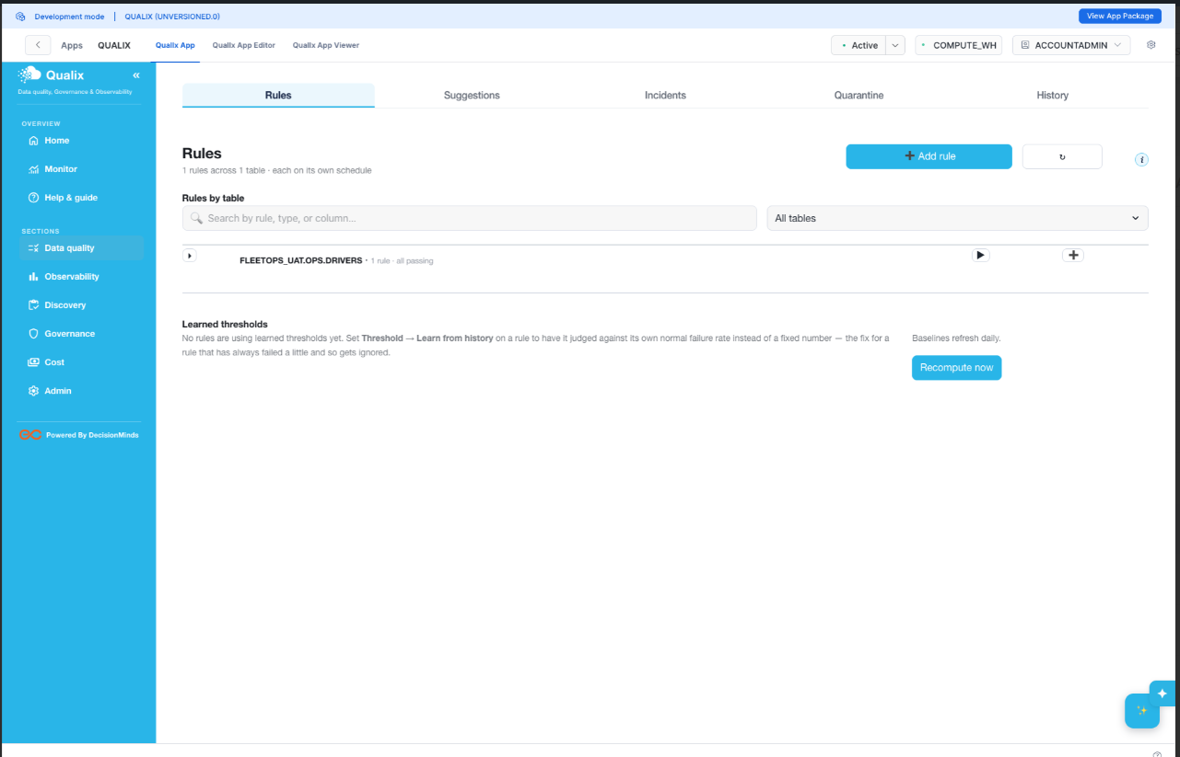 |  |  | Low | Pass | Satwika Meenan | 2026-08-31
5 | Rule02 Uniqueness Form | 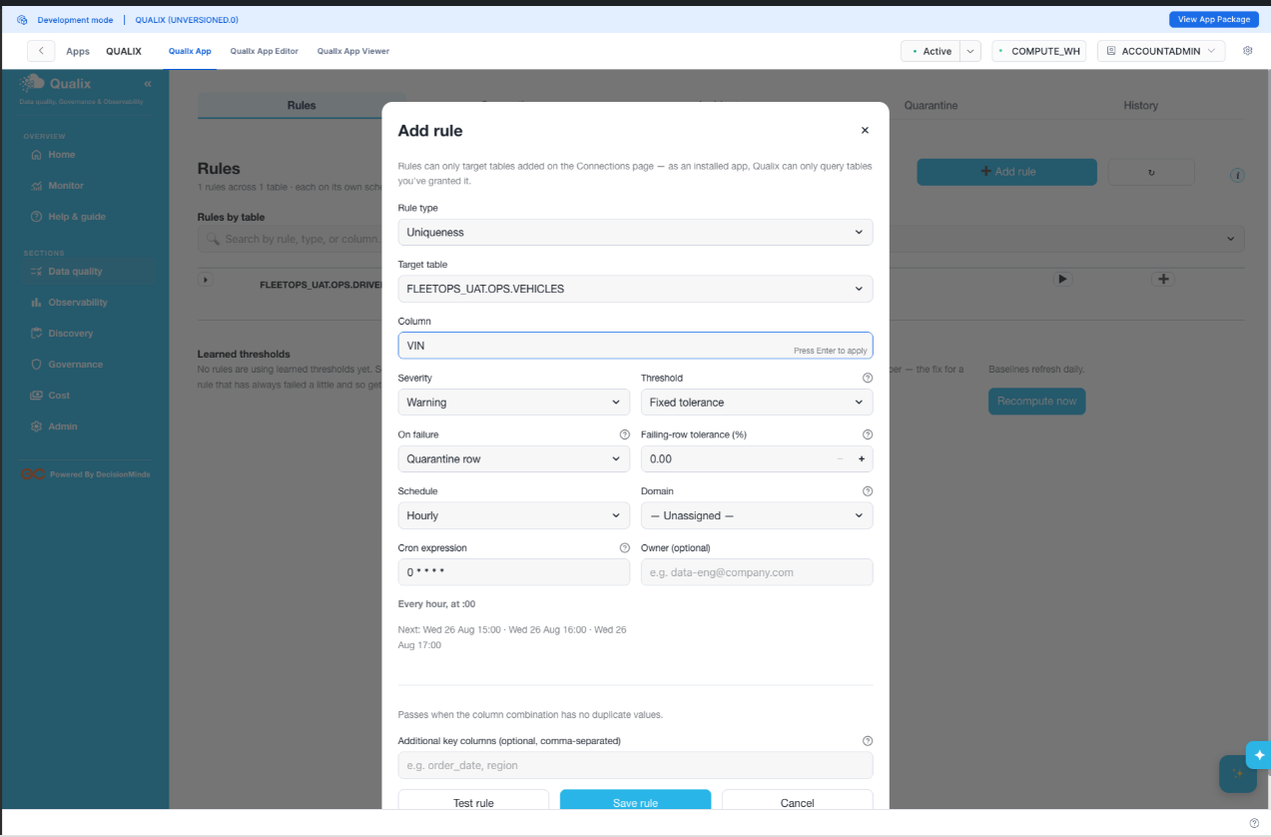 |  |  | Low | Pass | Satwika Meenan | 2026-09-01
6 | Rule03 Accepted Values Form | 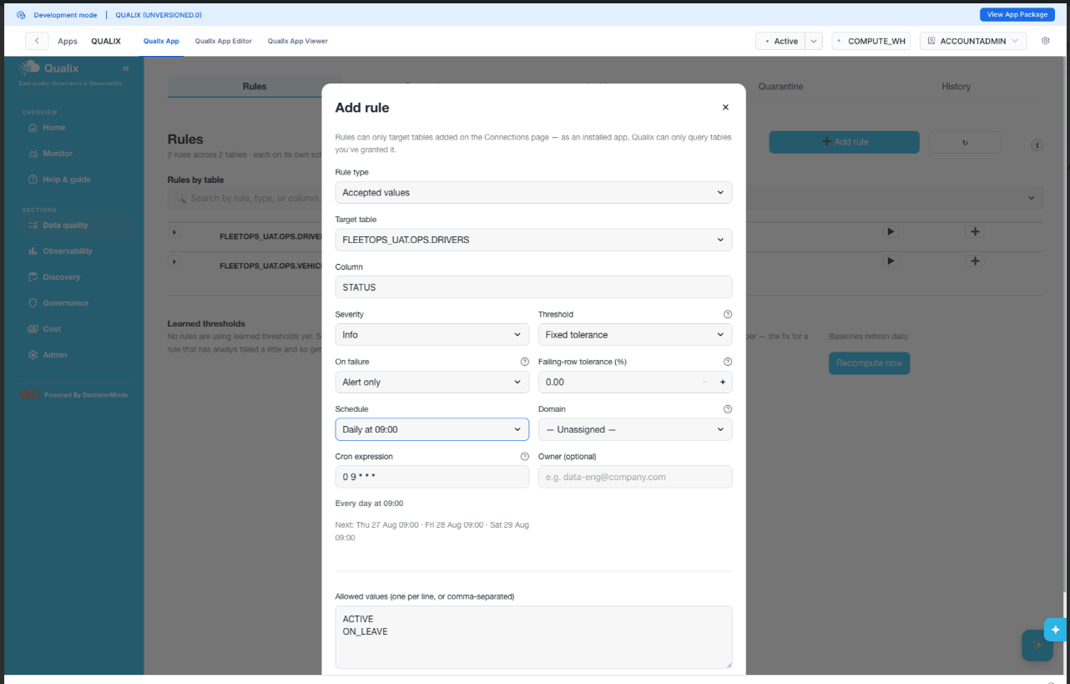 |  |  | Low | Pass | Satwika Meenan | 2026-09-02
7 | Rule04 Pattern Match Form | 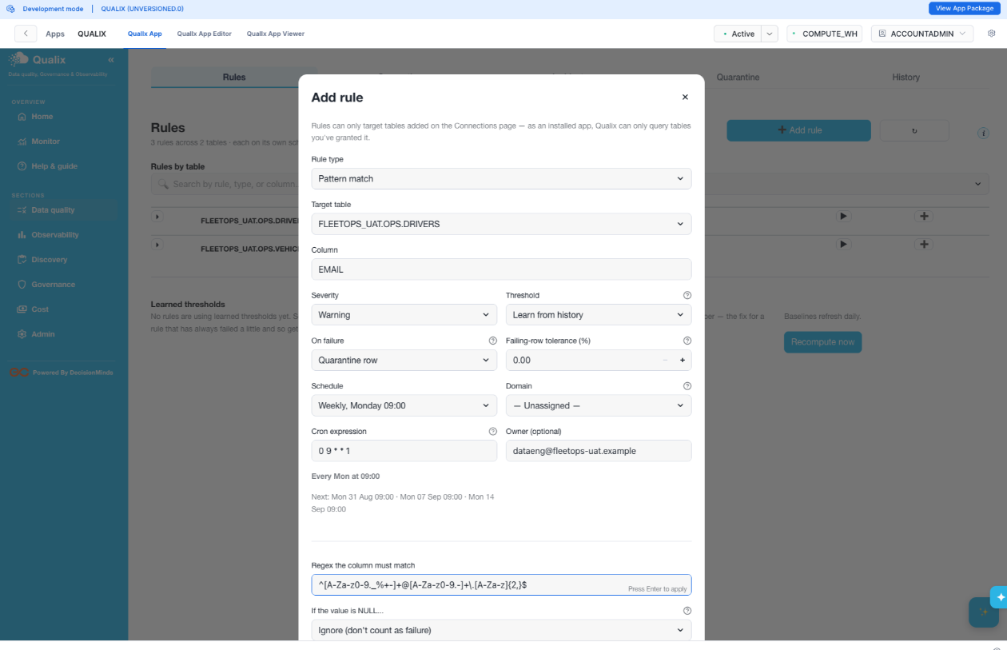 |  |  | Low | Pass | Satwika Meenan | 2026-09-03
8 | Rule05 Range Check Test Result Fixed | 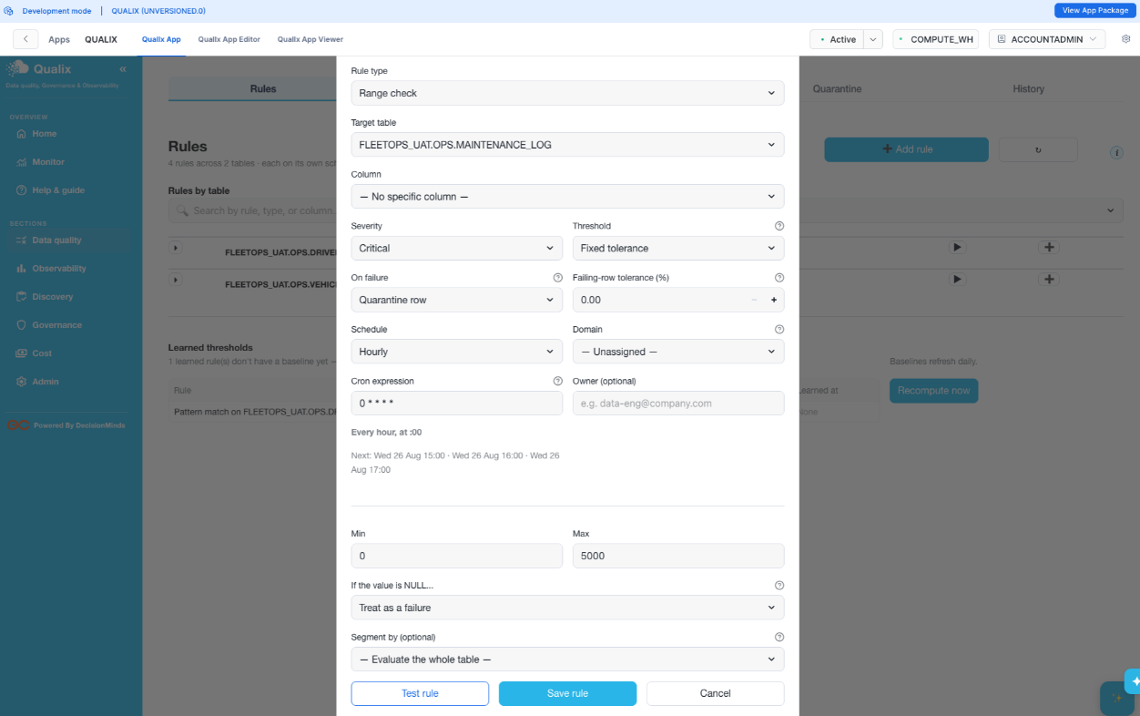 |  |  | Low | Pass | Satwika Meenan | 2026-09-04
9 | Rule05 Range Check Test Result Fixed | 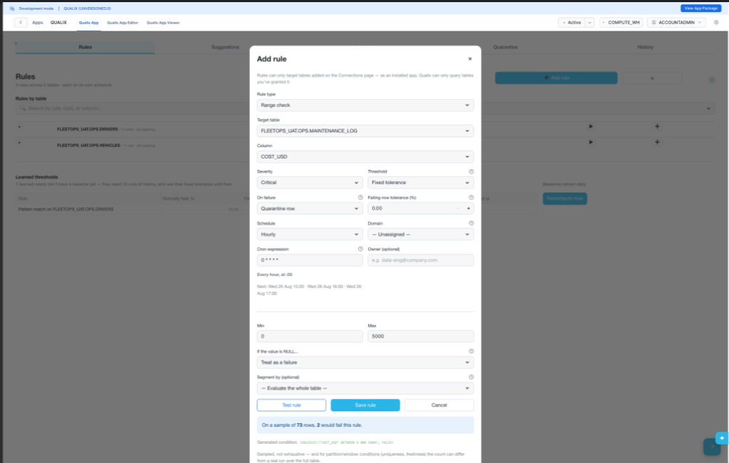 |  |  | Low | Pass | Satwika Meenan | 2026-09-05
10 | Rule06 Row Count Test | 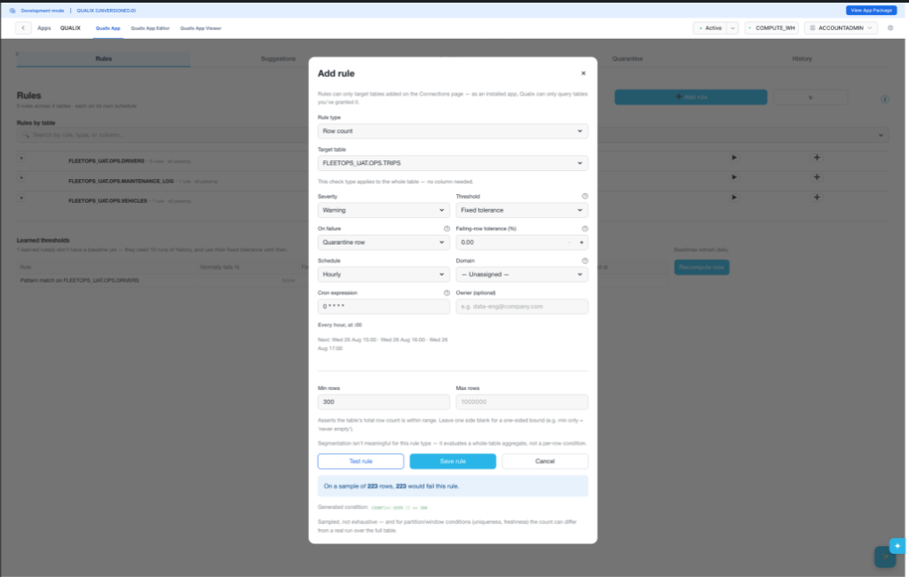 |  |  | Low | Pass | Satwika Meenan | 2026-09-06
11 | Rule07 Aggregate Check Test | 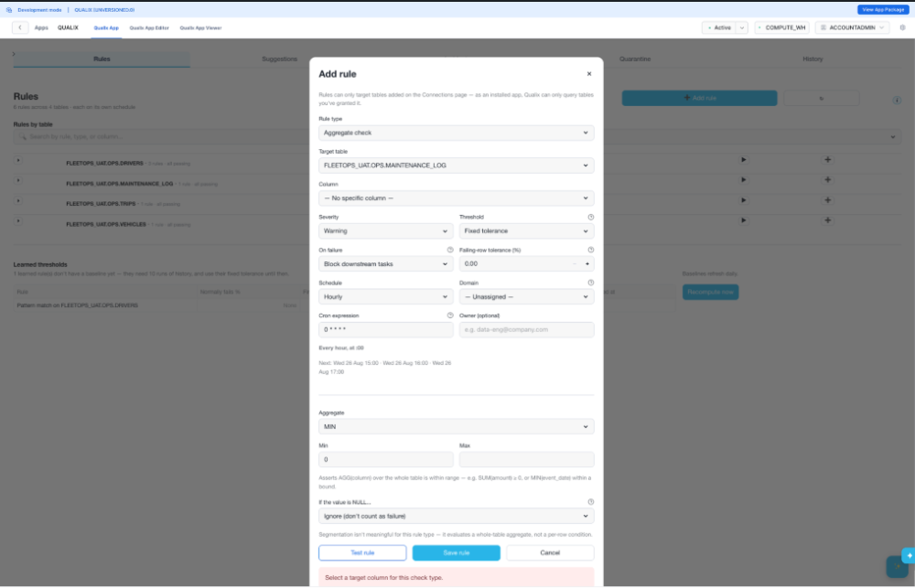 |  |  | Low | Pass | Satwika Meenan | 2026-09-07
11b | Rule07 Aggregate Check Fixed Test | 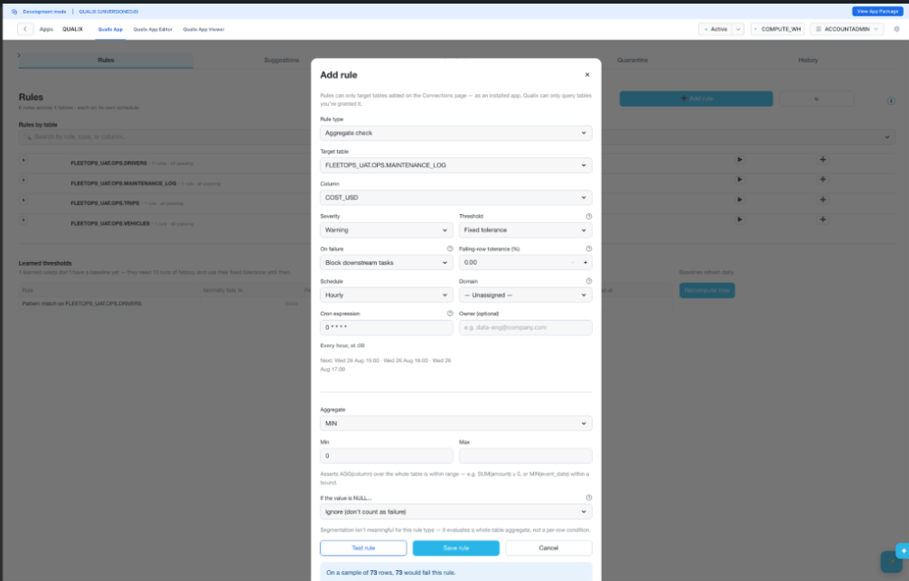 |  |  | Low | Pass | Satwika Meenan | 2026-09-08
12 | Rule07 Saved Check | 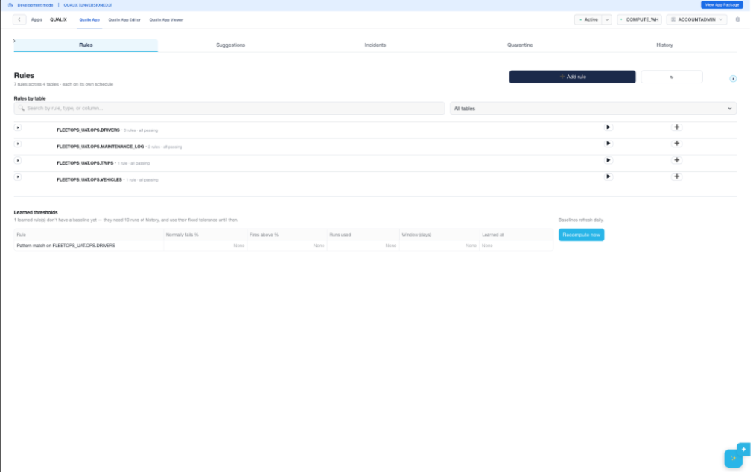 |  |  | Low | Pass | Satwika Meenan | 2026-09-09
14 | Rule08 Freshness Test | 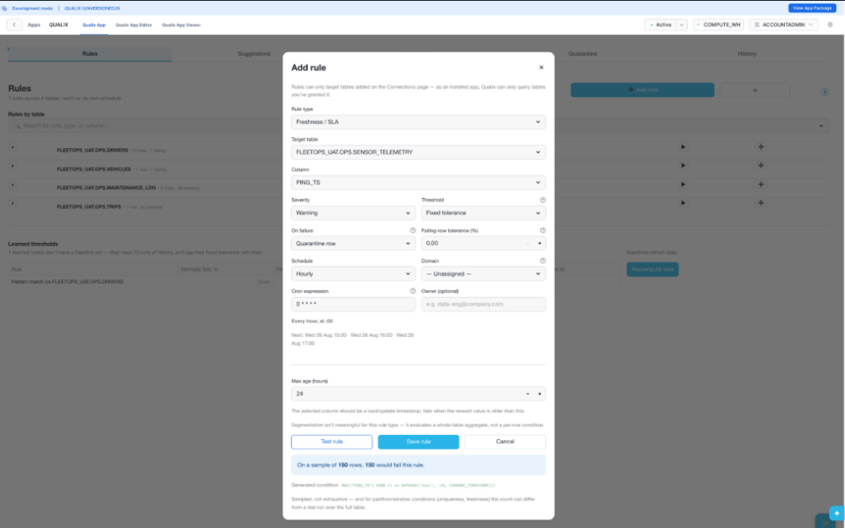 |  |  | Low | Pass | Satwika Meenan | 2026-09-10
15 | Rule09 Referential Integrity Test | 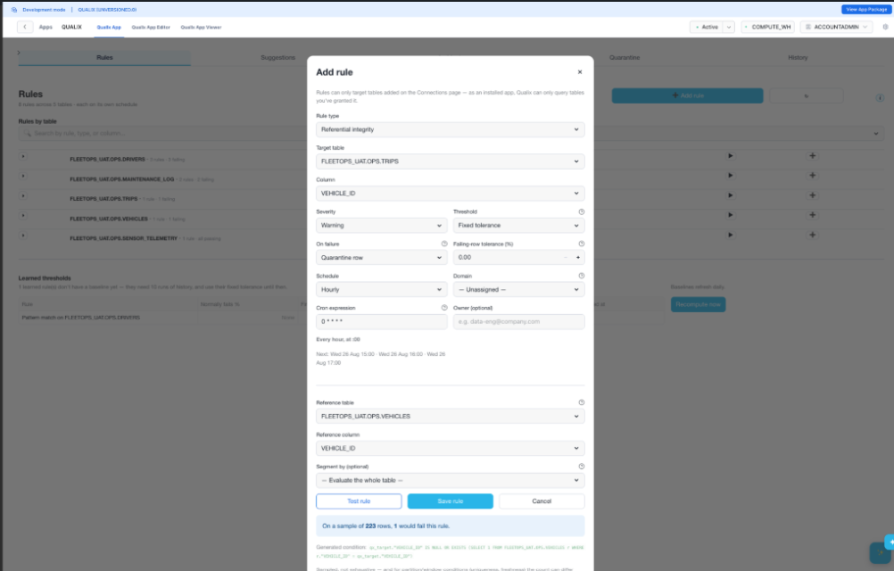 |  |  | Low | Pass | Satwika Meenan | 2026-09-11
16 | Rule10 Metric Test | 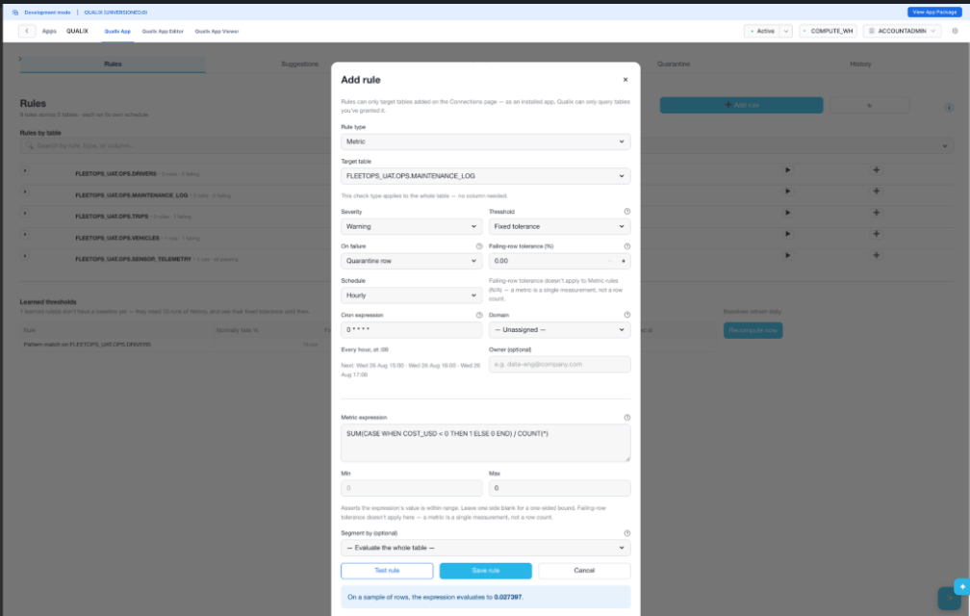 |  |  | Low | Pass | Satwika Meenan | 2026-09-12
17 | Rule11 Custom Sql_1table_test | 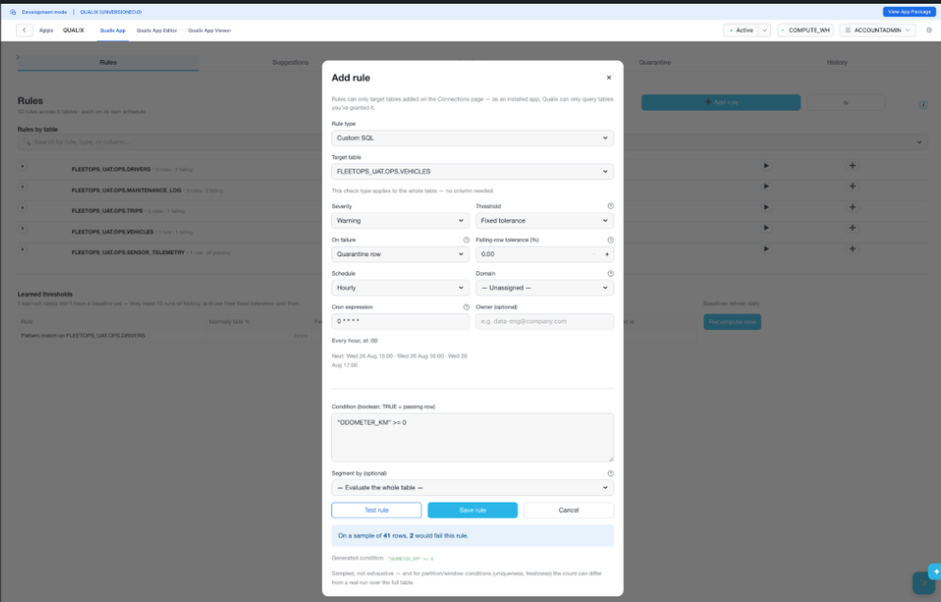 |  |  | Low | Pass | Satwika Meenan | 2026-09-13
18 | Rule12_Custom_sql_2table Correlated Test | 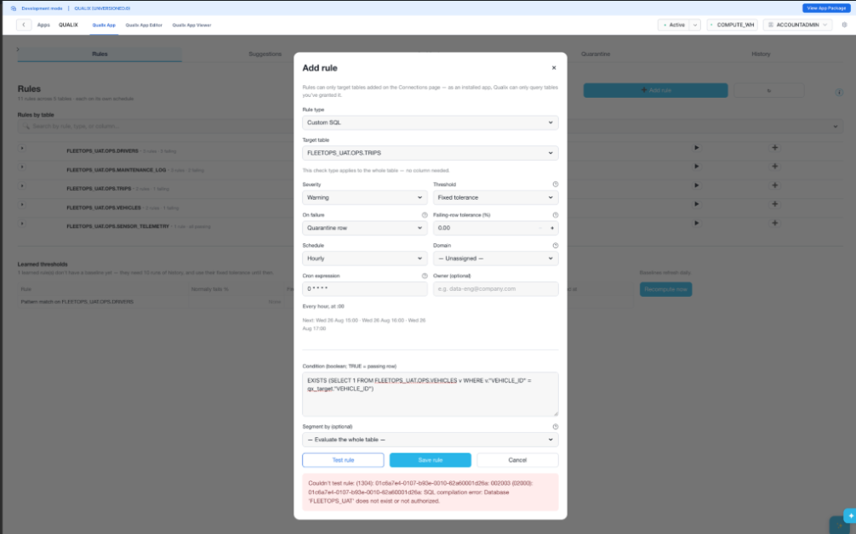 |  |  | Low | Pass | Satwika Meenan | 2026-09-14
19 | Rule12 Custom_sql_view_2 Tables Test | 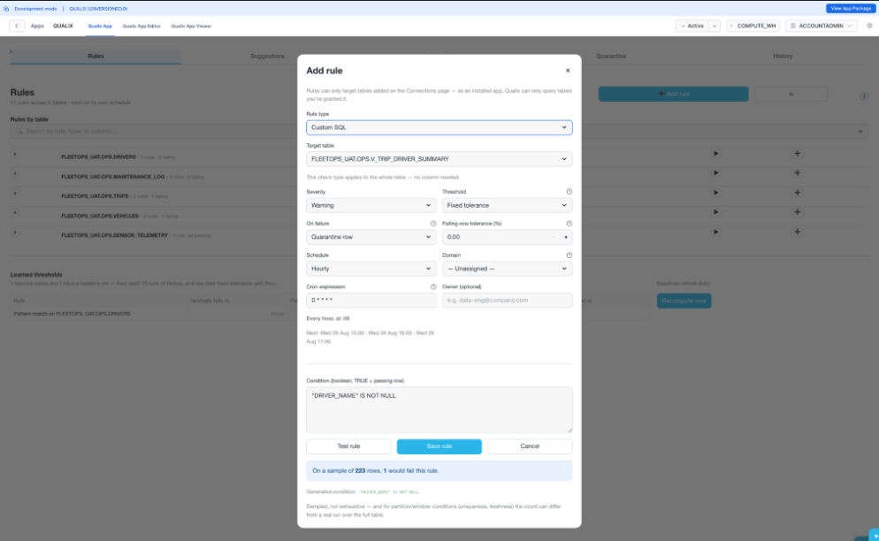 |  |  | Low | Pass | Satwika Meenan | 2026-09-15
20 | Role Switch Recheck |  |  |  | Low | Pass | Satwika Meenan | 2026-09-16
21 | Admin Access Restored | 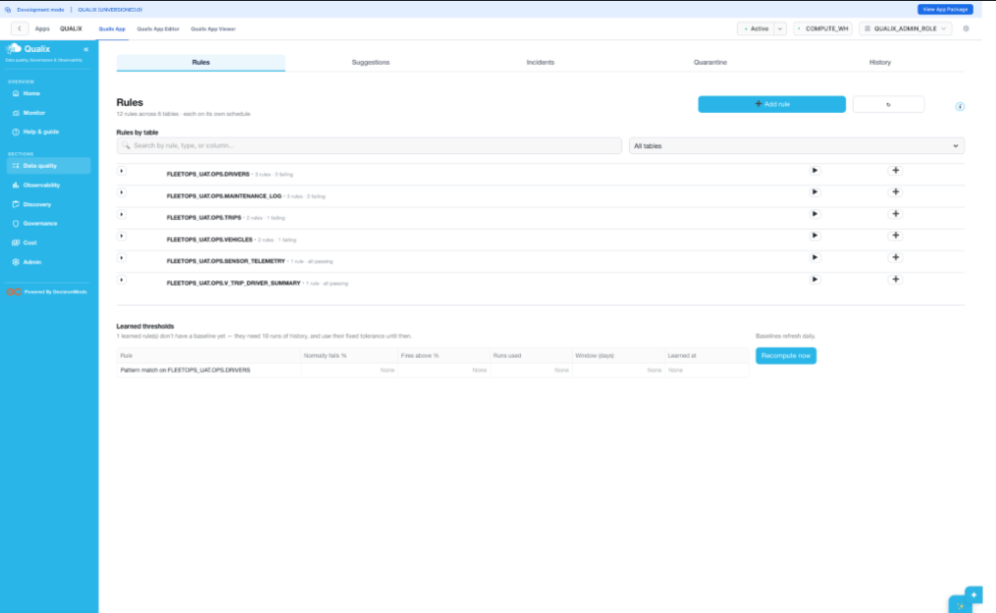 |  |  | Low | Pass | Satwika Meenan | 2026-09-17
22 | Rule13 Positive Not Null Test | 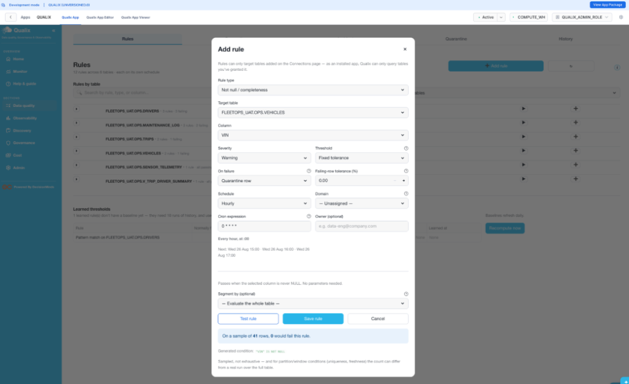 |  |  | Low | Pass | Satwika Meenan | 2026-09-18
23 | Rule14 Positive Uniqueness Test Fixed | 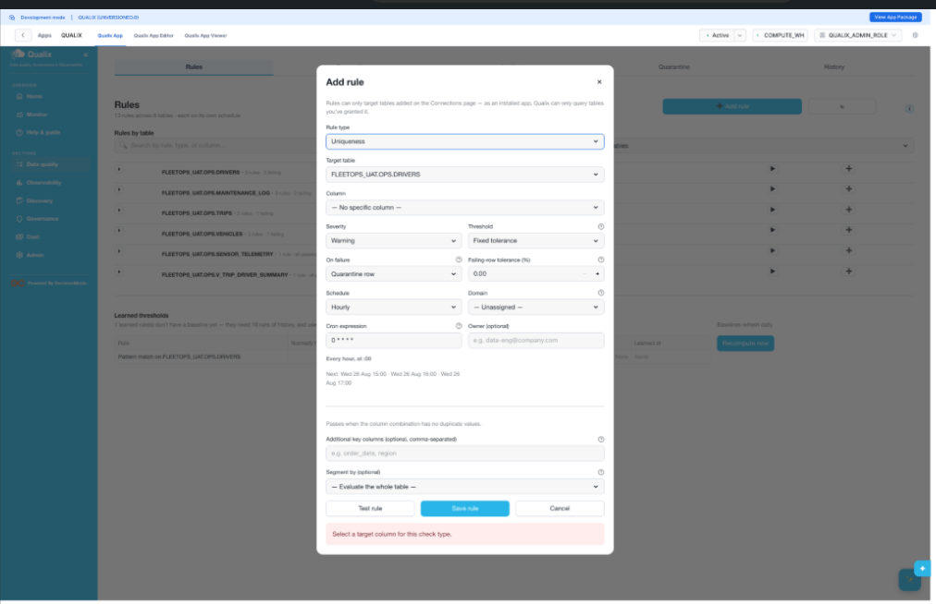 |  |  | Low | Pass | Satwika Meenan | 2026-09-19
23b | Rule14 Positive Uniqueness Test Fixed | 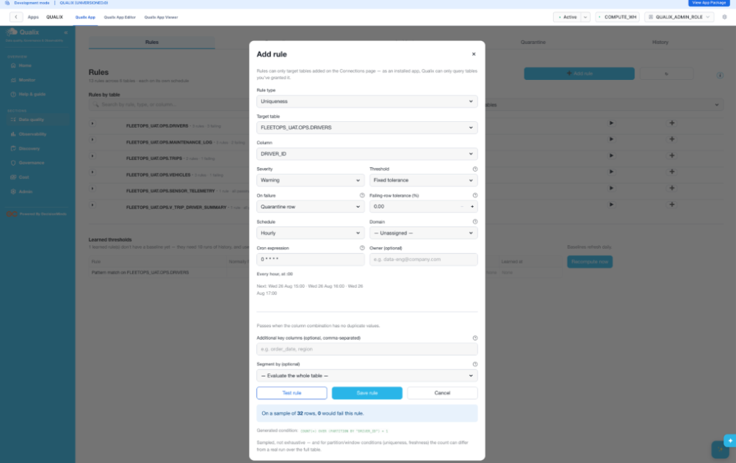 |  |  | Low | Pass | Satwika Meenan | 2026-09-20
24 | Rule15 Positive Freshness Test | 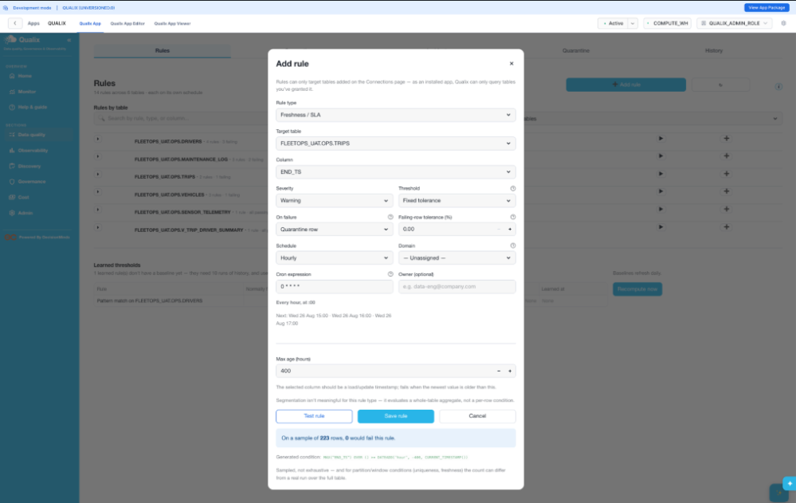 |  |  | Low | Pass | Satwika Meenan | 2026-09-21
25 | Rules Table Expanded Drivers | 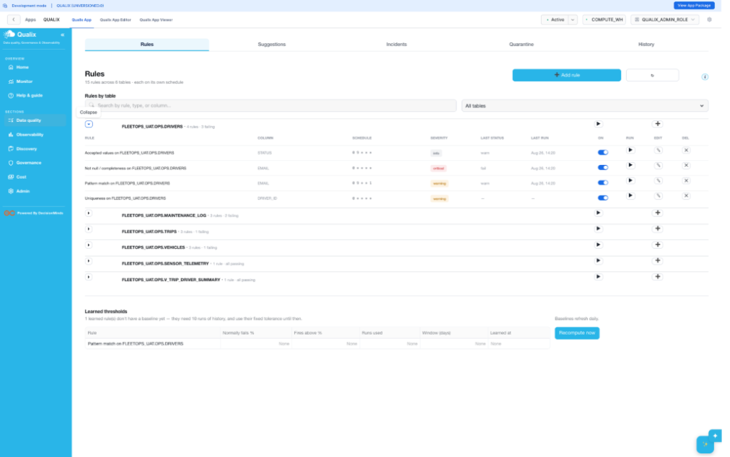 |  |  | Low | Pass | Satwika Meenan | 2026-09-22
26 | Edit Rule Before Fix | 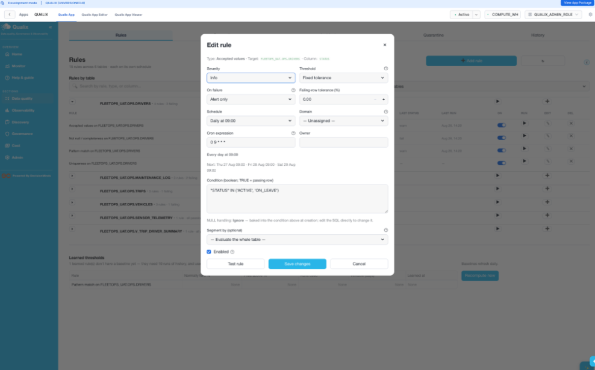 |  |  | Low | Pass | Satwika Meenan | 2026-09-23
27 | Edit Rule Corrected Test | 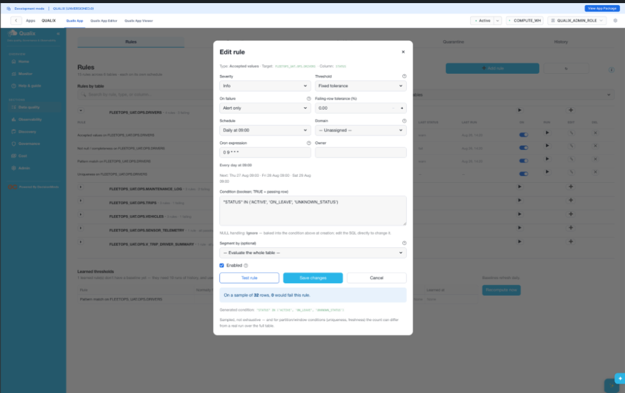 |  |  | Low | Pass | Satwika Meenan | 2026-09-24
28 | Rules List After Edit | 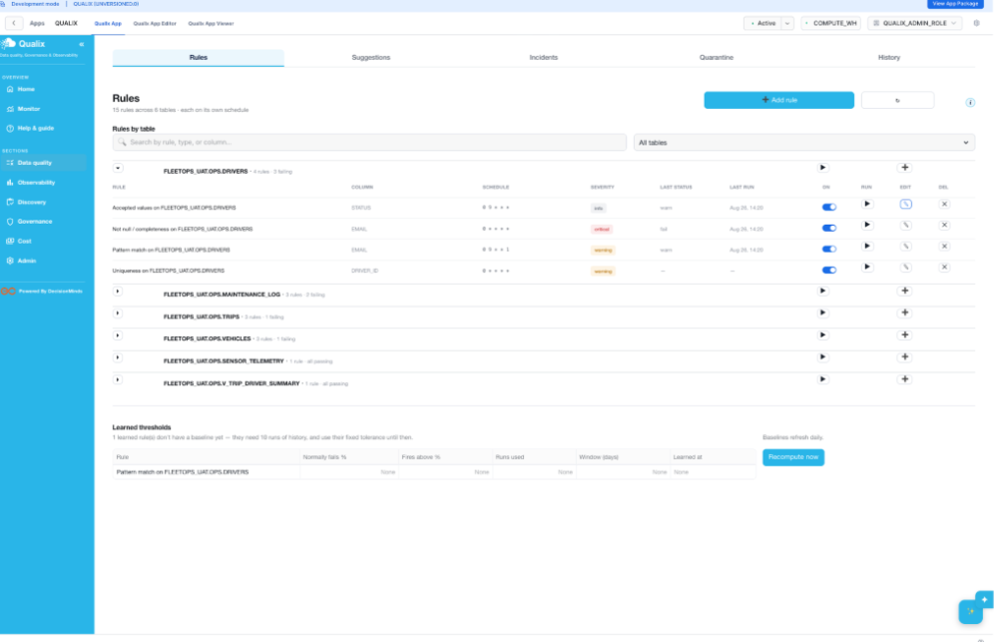 |  |  | Low | Pass | Satwika Meenan | 2026-09-25
29 | Rule Run After Fix | 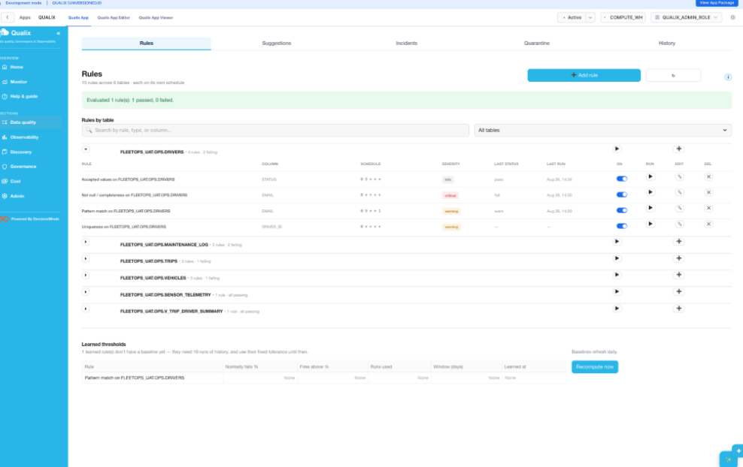 |  |  | Low | Pass | Satwika Meenan | 2026-09-26
30 | All Tables Run | 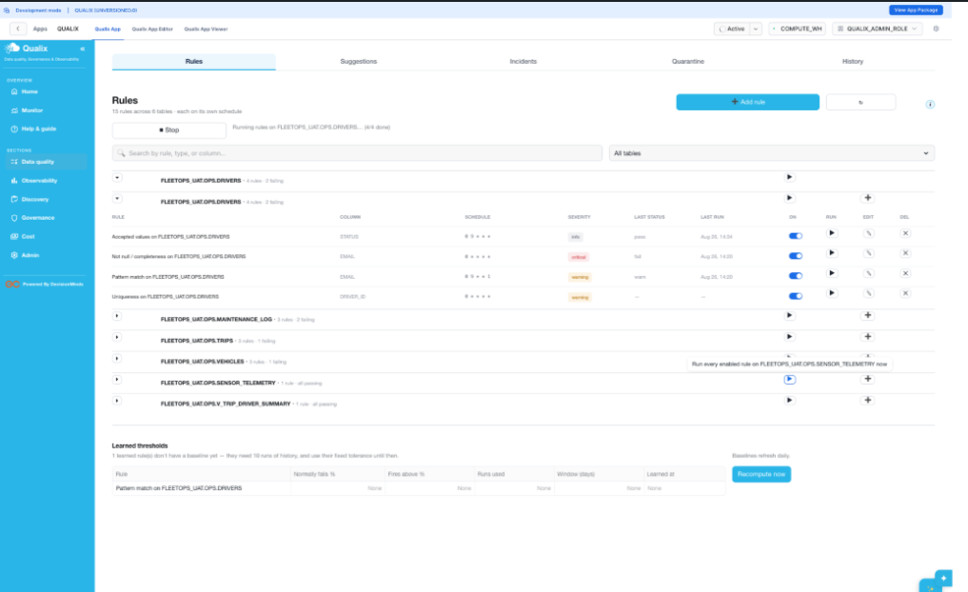 |  |  | Low | Pass | Satwika Meenan | 2026-09-27
31 | All Rules Expanded After Runs | 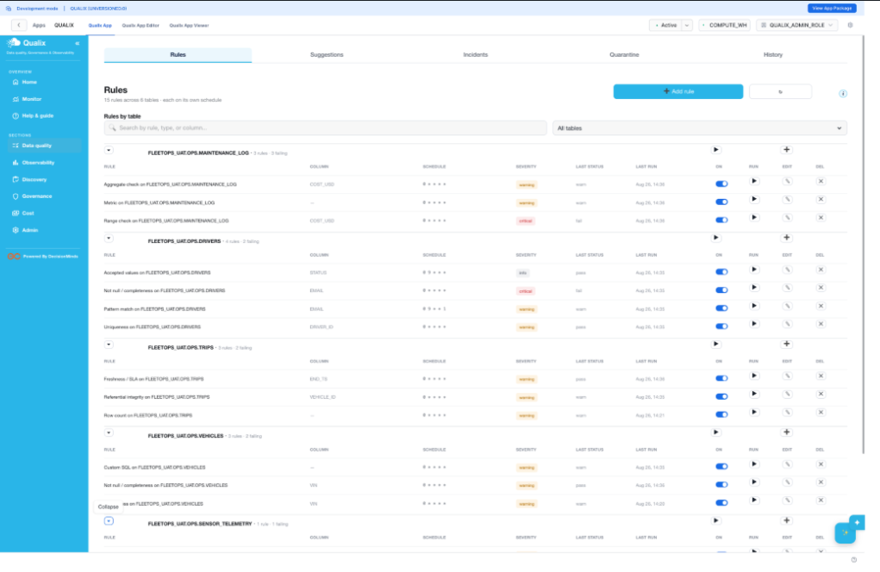 |  |  | Low | Pass | Satwika Meenan | 2026-09-28
32 | Sensor And View Rules | 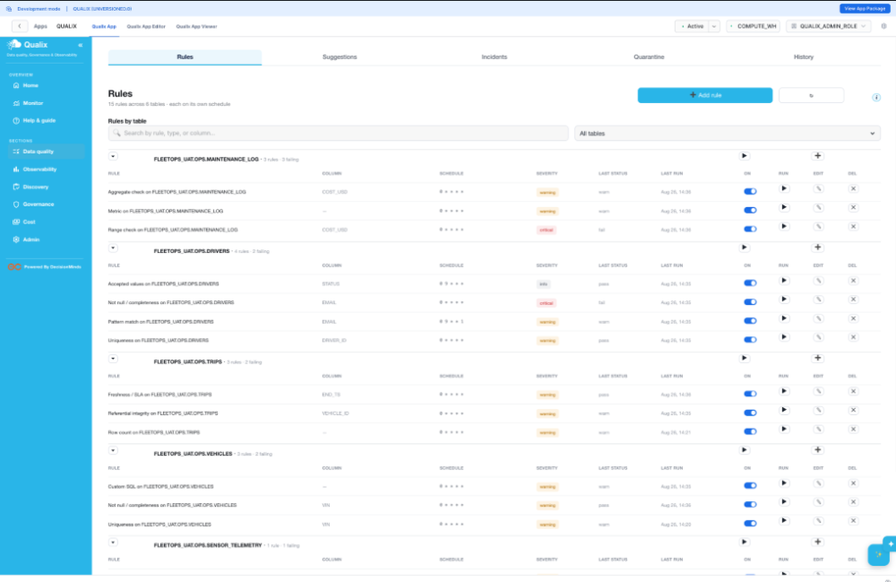 |  |  | Low | Pass | Satwika Meenan | 2026-09-29
32b | Sensor And View Rules Scrolled | 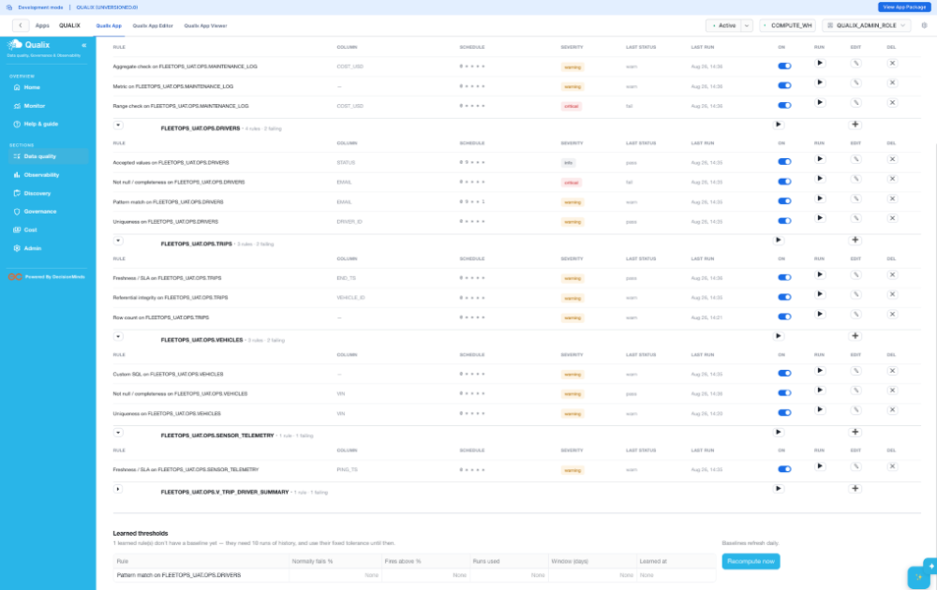 |  |  | Low | Pass | Satwika Meenan | 2026-09-30
33 | View Table Rule | 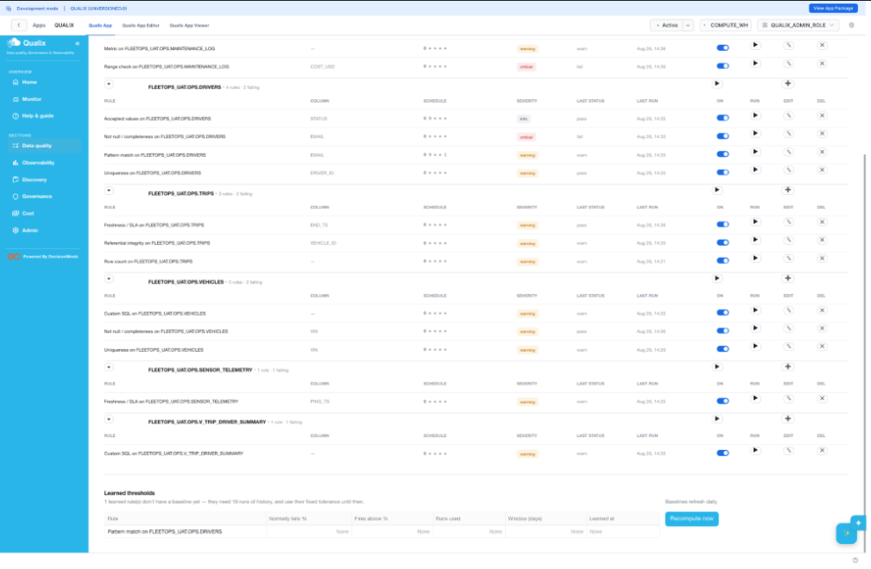 |  |  | Low | Pass | Satwika Meenan | 2026-10-01
34 | Suggestions Tab | 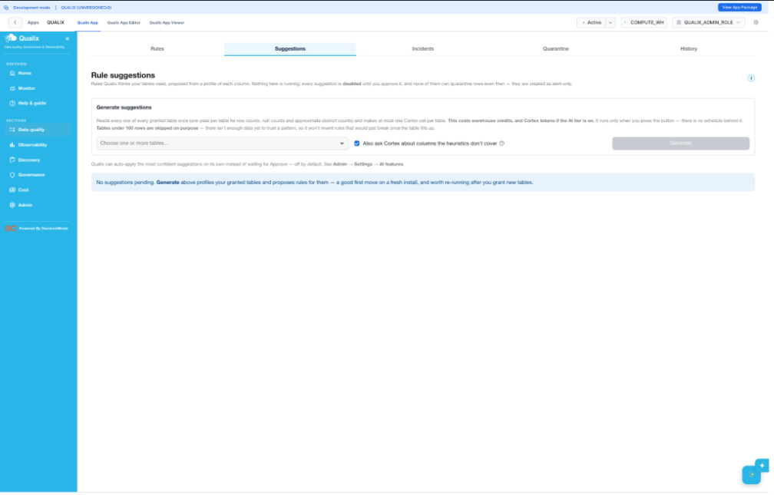 |  |  | Low | Pass | Satwika Meenan | 2026-10-02
35 | Suggestions Generated | 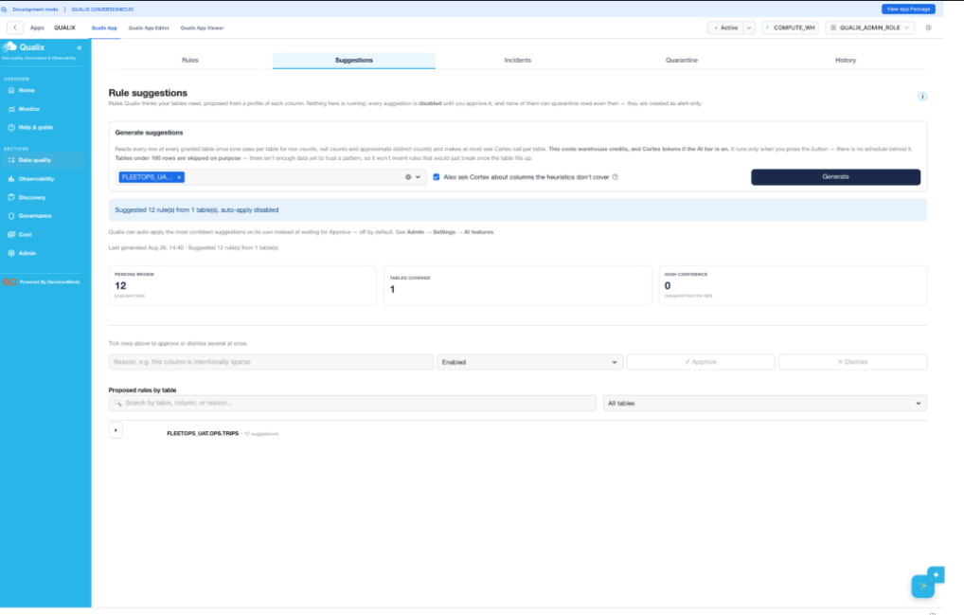 |  |  | Low | Pass | Satwika Meenan | 2026-10-03
36 | Suggestions Expanded | 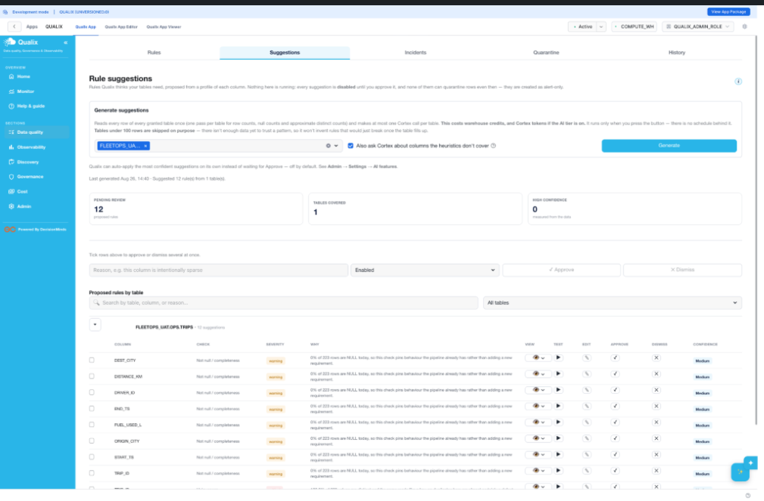 |  |  | Low | Pass | Satwika Meenan | 2026-10-04
37 | Suggestion Approved | 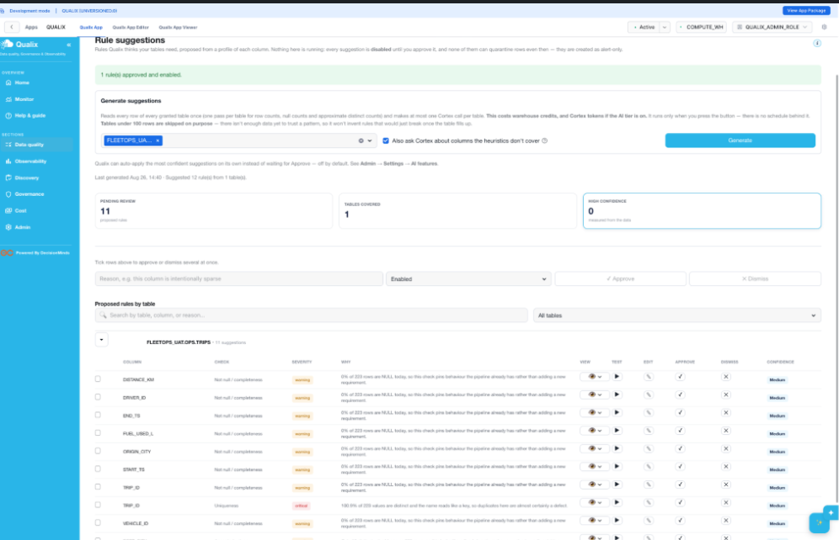 |  |  | Low | Pass | Satwika Meenan | 2026-10-05
38 | Suggestion Test Button | 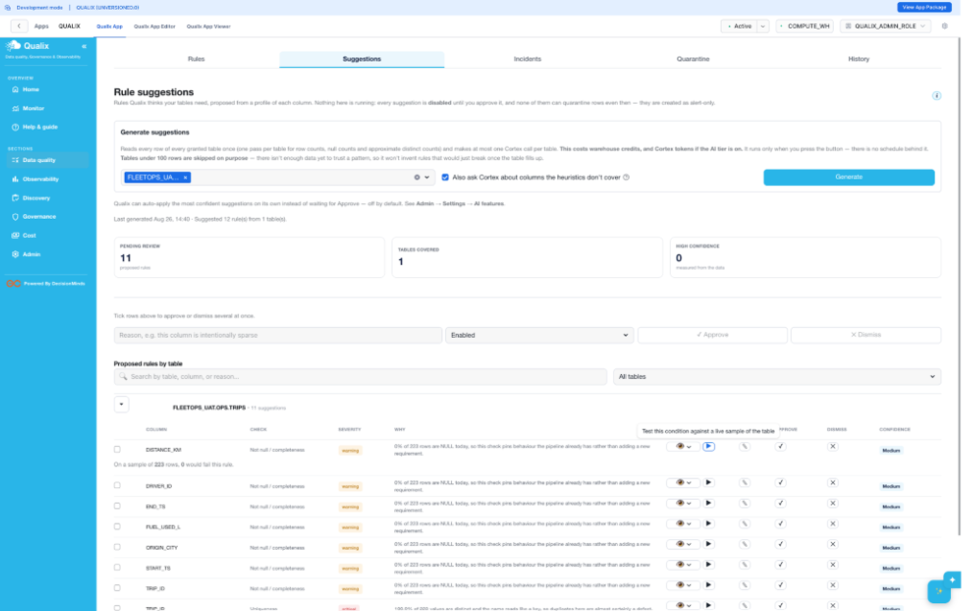 |  |  | Low | Pass | Satwika Meenan | 2026-10-06
39 | suggestion Edit Dialog | 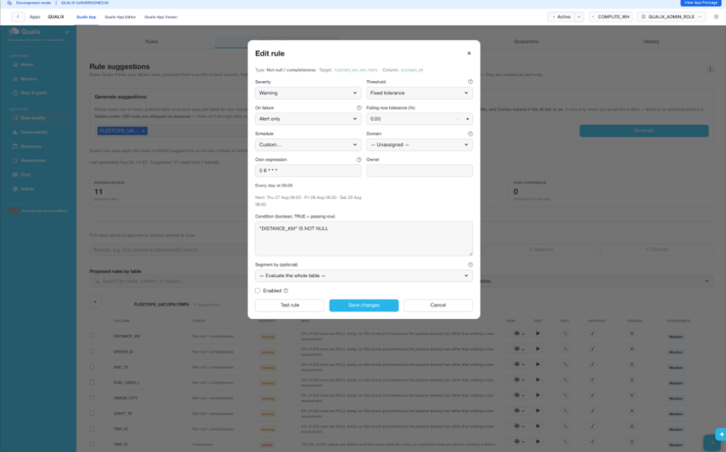 |  |  | Low | Pass | Satwika Meenan | 2026-10-07
40 | Suggestion Dismissed | 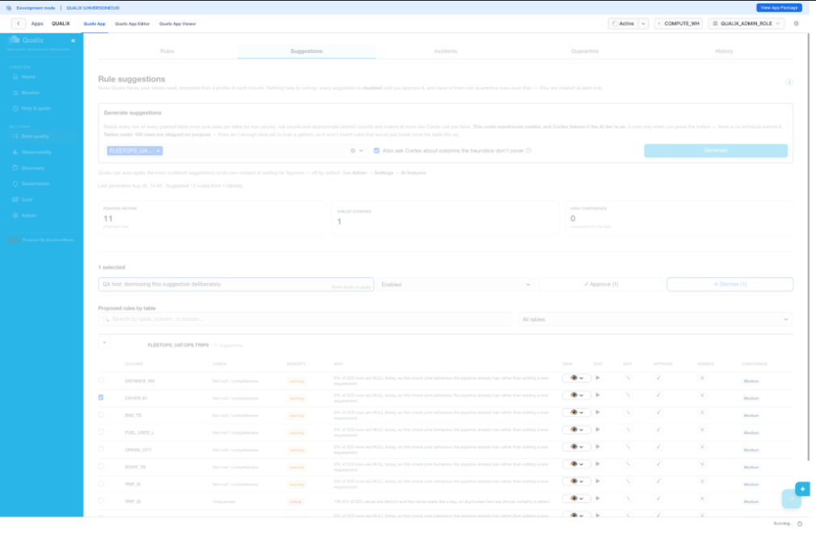 |  |  | Low | Pass | Satwika Meenan | 2026-10-08
40b | Suggestion Dismissed Final | 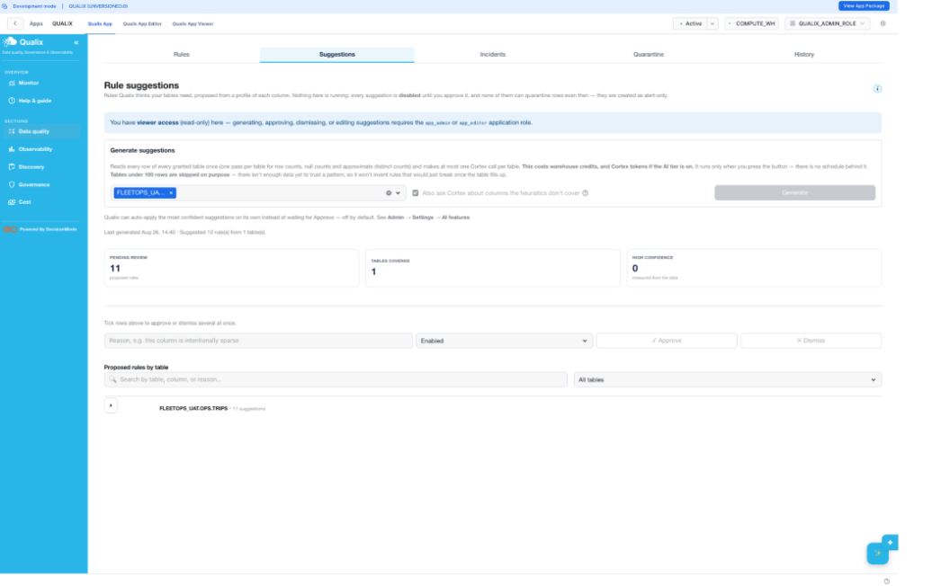 |  |  | Low | Pass | Satwika Meenan | 2026-10-09
41 | Viewer Glitch After Reload | 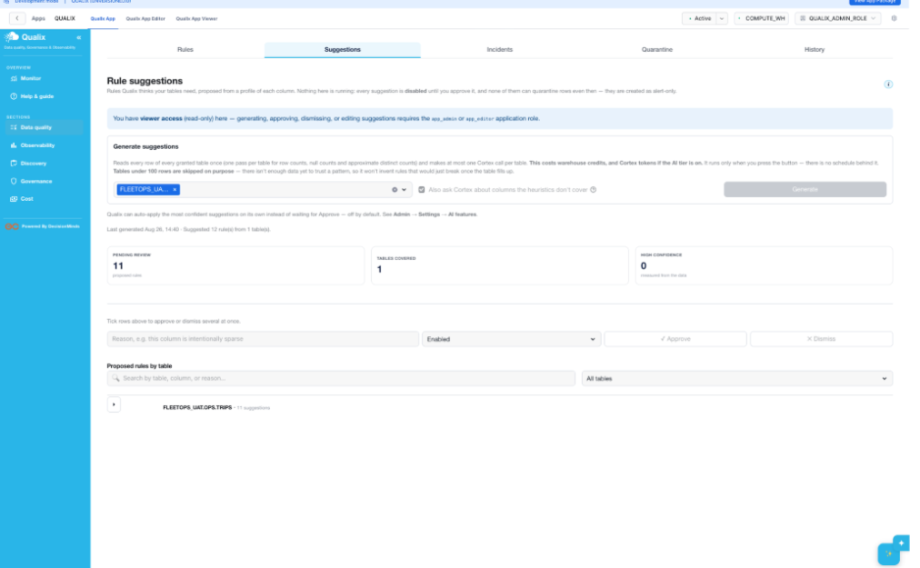 |  |  | Low | Pass | Satwika Meenan | 2026-10-10
42 | Admin Restored After End Session | 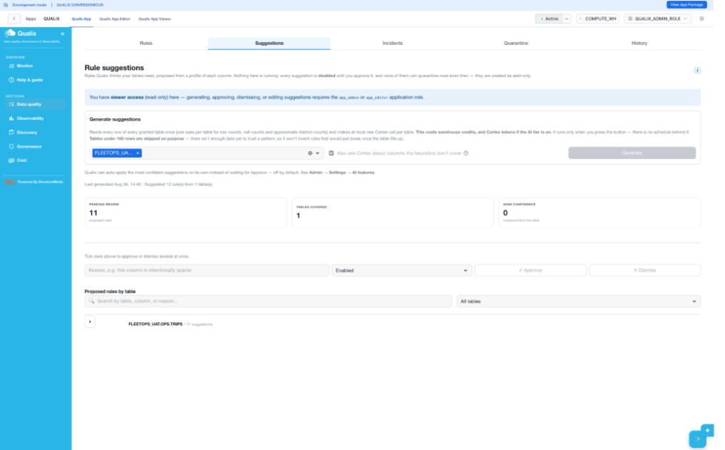 |  |  | Low | Pass | Satwika Meenan | 2026-10-11
43 | After Home Click | 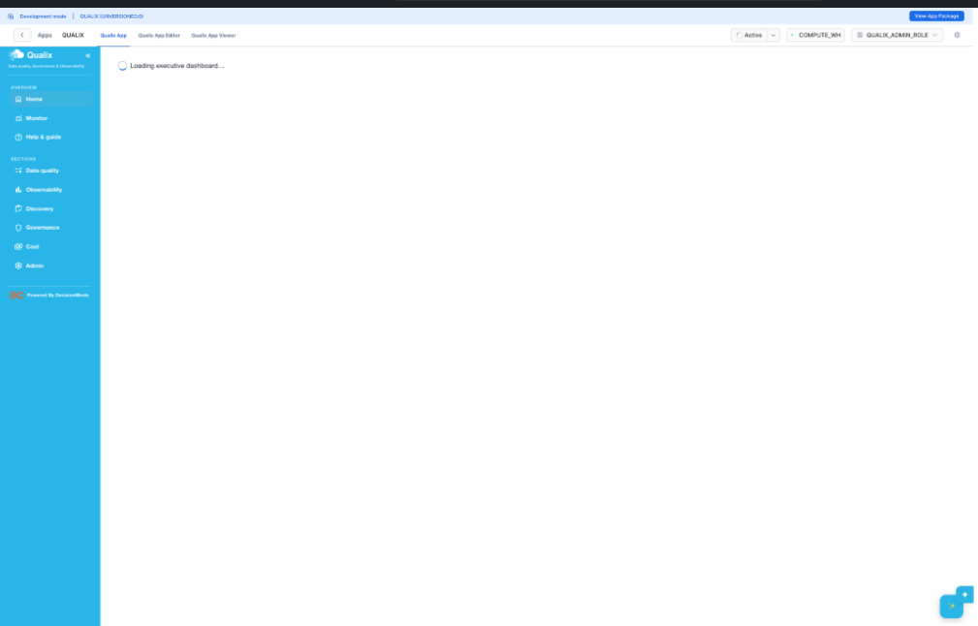 |  |  | Low | Pass | Satwika Meenan | 2026-10-12
44 | Incidents Tab | 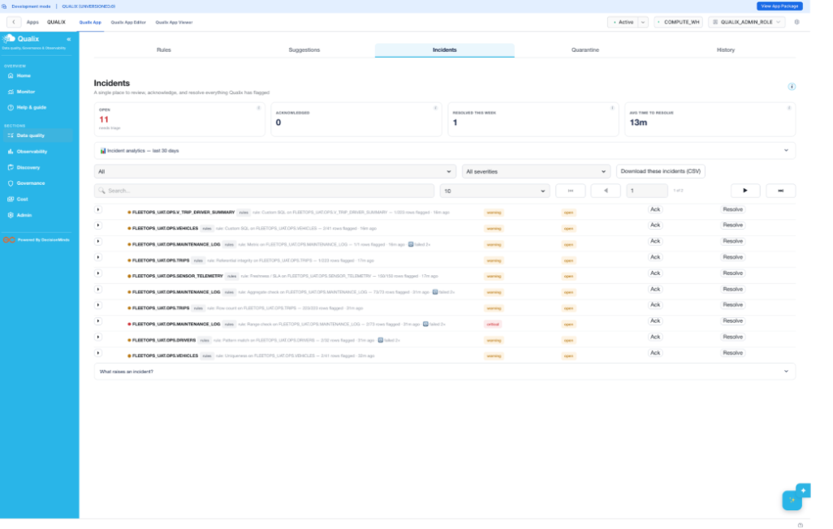 |  |  | Low | Pass | Satwika Meenan | 2026-10-13
45 | Incidents Ack Resolve | 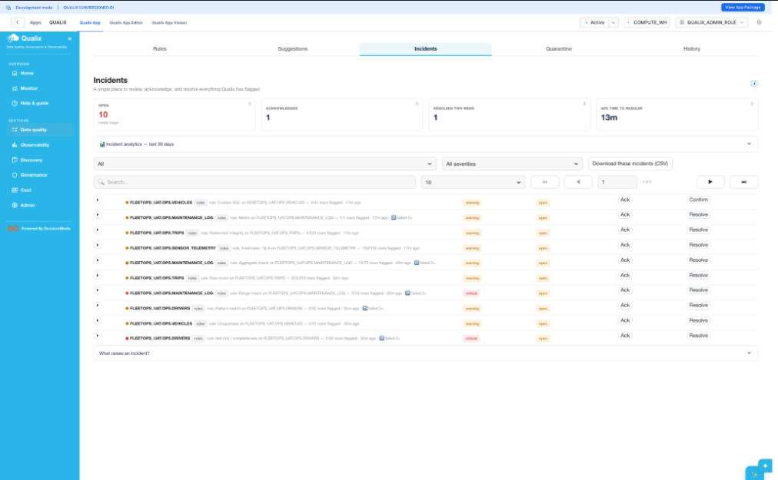 |  |  | Low | Pass | Satwika Meenan | 2026-10-14
46 | Incidents Resolved Confirmed | 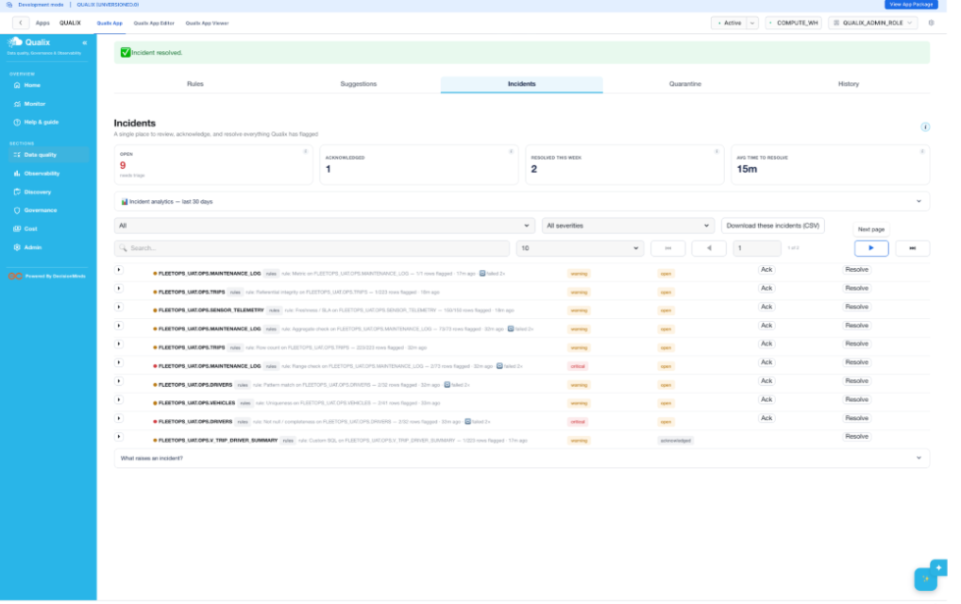 |  |  | Low | Pass | Satwika Meenan | 2026-10-15
47 | Quarantine Tab |  |  |  | Low | Pass | Satwika Meenan | 2026-10-16
48 | Quarantine Row Expanded |  |  |  | Low | Pass | Satwika Meenan | 2026-10-17
49 | Quarantine Approved |  |  |  | Low | Pass | Satwika Meenan | 2026-10-18
50 | Quarantine Rejected |  |  |  | Low | Pass | Satwika Meenan | 2026-10-19
51 | History Tab |  |  |  | Low | Pass | Satwika Meenan | 2026-10-20
52 | DB Validation Query |  |  |  | Low | Pass | Satwika Meenan | 2026-10-21
53 | Post Restart State |  |  |  | Low | Pass | Satwika Meenan | 2026-10-22
54 | retest_rules_admin_restored |  |  |  | Low | Pass | Satwika Meenan | 2026-10-23
55 | Finding A Fixed Test |  |  |  | Low | Pass | Satwika Meenan | 2026-10-24
56 | Finding A Real Run |  |  |  | Low | Pass | Satwika Meenan | 2026-10-25
57 | finding_b_incidents_wording |  |  |  | Low | Pass | Satwika Meenan | 2026-10-26
58 | Finding B Test Rule Wording |  |  |  | Low | Pass | Satwika Meenan | 2026-10-27
58 | Finding B Incidents Wording Fixed |  |  |  | Low | Pass | Satwika Meenan | 2026-10-28
60 | Finding C Hint Text |  |  |  | Low | Pass | Satwika Meenan | 2026-10-29

Govennance
Sl.No | Test Case Name | What it shows | Output in Application | Additional | Actual Output (from SQL) | Priority | Status | Tested By | Date Tested | Comments / Notes
1 | Posture | Governance grade C (73/100); Sensitive columns 0; Broad grants 7; Tag coverage 0% (0 of 7); Classification coverage 0% of 53 columns. |  |  | Broad grants = 7 OWNERSHIP / WITH GRANT OPTION rows on FLEETOPS_UAT in GRANTS_TO_ROLES (sql_01_posture_broad_grants.png). 0 column-level tags in TAG_REFERENCES; 0 tagged of 7 objects in TABLES; 53 columns confirmed via ACCOUNT_USAGE.COLUMNS (sql_02_posture_tagcov_columns.png). | Low | Pass | Sumukha | 2026-08-26 | All five KPI figures verified exactly; grade recomputed independently.
2 | Sensitive Data | 3 unclassified but sensitively-named columns flagged: DRIVERS.LICENSE_NO (critical), DRIVERS.EMAIL (high), DRIVERS.FULL_NAME (medium). "Detected from values" panel initially read "Found 0 possible PII column(s) across 0 table(s); 5 failed." |  |  | Those 3 columns are the only 3 of all 53 FLEETOPS_UAT columns matching the app's name-heuristic regex list in common/governance.py (sql_03_sensitive_data_unclassified.png). UI refreshed correctly with the new scan timestamp and finding after the re-run. | Informational | Pass (resolved anomaly) | Sumukha | 2026-08-26 | Finding 1 closed — no action needed; feature works end-to-end on re-run.
3 | Protection Policies | Empty state: "No masking or row-access policies found." |  |  | POLICY_REFERENCES returns 0 rows for FLEETOPS_UAT — confirms 0 masking and 0 row-access policies. | Low | Pass | Sumukha | 2026-08-26 | Correctly empty for this account.
4 | Access Grants | Users with access 1, Roles with access 1, Objects granted 7, Broad grants 7. Lineage graph renders NILESH → ACCOUNTADMIN → 7 objects, all OWNERSHIP. |  |  | GRANTS_TO_USERS holds exactly 1 non-deleted grant of ACCOUNTADMIN (to NILESH); GRANTS_TO_ROLES gives the same 7 OWNERSHIP objects (sql_04_access_grants_users.png). | Low | Pass | Sumukha | 2026-08-26 | Lineage graph matches GRANTS_TO_USERS / GRANTS_TO_ROLES exactly.
5 | Sensitive Access | Empty state — no tag-classified sensitive columns exist to report access on. |  |  | 0 column-level sensitive tags in TAG_REFERENCES (same source verified on Posture). | Low | Pass | Sumukha | 2026-08-26 | Correct empty state.
6 | Tag Coverage | 0 of 7 objects tagged, 0% coverage, 0 distinct tags; all 7 objects (5 tables + 2 views) listed as untagged. |  |  | 0 tagged objects of 7 total in ACCOUNT_USAGE.TABLES; 0 rows in TAG_REFERENCES. | Low | Pass | Sumukha | 2026-08-26 | 0% coverage consistent across every governance page.
7 | Compliance | Empty state ("No classified sensitive columns found") plus a suggested remediation: CALL SYSTEM$CLASSIFY('FLEETOPS_UAT.OPS.DRIVERS', {'auto_tag': true}). |  |  | No classified sensitive columns exist (0 tag references), so the empty state and the remediation suggestion are both accurate. | Low | Pass | Sumukha | 2026-08-26 | Correct empty state with an accurate remediation suggestion.
8 | Security | Active users 1, Without MFA 1, Dormant (90d+) 0, with last successful login timestamp displayed. |  |  | ACCOUNT_USAGE.USERS confirms NILESH: has_password = TRUE, ext_authn_duo = FALSE (no MFA), last successful login 2026-08-26 16:21:00.481 (sql_05_security_posture.png). | Low | Pass | Sumukha | 2026-08-26 | Timestamp match to the millisecond.
9 | Login History | Total logins (7d) 134, Failed 0, Unique users 1. |  |  | LOGIN_HISTORY (7d) returns 134 logins, 0 failed, 1 unique user — exact match (sql_06_login_history_7d.png). | Low | Pass | Sumukha | 2026-08-26 | Exact match against LOGIN_HISTORY.
10 | Pipelines | Files loaded today 0, Load failures (24h) 0, Task success 100% across 1d/7d/30d. No dynamic tables listed. |  |  | TASK_HISTORY shows 10 succeeded / 0 failed across all three windows (1d/7d/30d) — 100% success confirmed (sql_07_pipelines_task_success.png). | Low | Pass | Sumukha | 2026-08-26 | Task success confirmed 10/10 in all three windows.

Cost
Sl.No | Test Case Name | What it shows | Output in Application | Additional | Actual Output (from SQL) | Priority | Status | Tested By | Date Tested | Comments / Notes
1 | Cost Overview | MTD spend $15 (5.0 credits @ $3.00 per credit), plus 782 flagged bad queries and 158 spilling queries surfaced as headline KPIs. |  | First verification attempt used SNOWFLAKE.ACCOUNT_USAGE.METERING_HISTORY (account-wide) and gave a mismatched 4.78 credits. Re-checked against the app's actual source, WAREHOUSE_METERING_HISTORY, which reconciles exactly. | WAREHOUSE_METERING_HISTORY = 5.01116029 credits × $3.00 = $15.03 → displays as "$15" / "5.0 credits" (sql_08_cost_overview.png, sql_09_cost_mtd_verified.png). Bad-query (782) and spilling (158) counts cross-confirmed against their own detail tabs. | Low | Pass | Sumukha | 2026-08-26 | MTD spend reconciled exactly once the app's true source view was used.
2 | Storage Serverless | Total storage 1.9 MiB, broken down across QUALIX, FLEETOPS_UAT, SNOWFLAKE and an unattributed bucket. |  | Small live drift: QUALIX read 1.856 MB in SQL vs 1.947 MB shown in the UI — a few hundred KB of time-travel bytes generated by this session's own account-usage queries between the UI render and the SQL check. Not a logic discrepancy. | Per-database figures matched TABLE_STORAGE_METRICS closely (sql_10_storage_by_database.png). | Low | Pass | Sumukha | 2026-08-26 | Per-database storage matched; only expected live drift.
3 | Spend Attribution | Empty state: "No attribution data yet." |  | Message is accurate rather than a failed query — the source view is genuinely empty on this account. | QUERY_ATTRIBUTION_HISTORY returns 0 rows, with MIN(start_time) and MAX(start_time) both NULL (sql_11_spend_attribution_check.png). | Low | Pass | Sumukha | 2026-08-26 | Correct empty state — source view genuinely empty.
4 | Burn Rate | Total credits (30d) 5.0, top warehouse COMPUTE_WH. By-warehouse table: COMPUTE_WH 3.7, QUALIX_BUILD_WH 1.3, CLOUD_SERVICES_ONLY 0.0. |  | COMPUTE_WH read 4.0 credits in SQL moments later — expected, since this UAT session's own dozens of verification queries all ran on COMPUTE_WH during the pass. | Per-warehouse credits matched WAREHOUSE_METERING_HISTORY almost exactly, difference explained by live session drift (sql_12_burn_rate_by_wh.png). | Low | Pass | Sumukha | 2026-08-26 | Per-warehouse credits matched; drift caused by this session's own queries.
5 | Bad Queries | Slow 18, Poor pruning 690, High scan ratio 74, Total flagged 782 (top 50 rows displayed). |  | Verified using the app's own three heuristics: total_elapsed_time >= 60000 ms; partitions_scanned / partitions_total > 0.9; bytes_scanned / rows_produced > 1 MB. | All four counts are an exact match against QUERY_HISTORY (sql_13_bad_queries_kpi.png). | Low | Pass | Sumukha | 2026-08-26 | All four KPI counts an exact match.
6 | Spilling Alarms | Spilling queries 158, Remote spills 20, Warehouses affected 2, Total spilled 2.4 MiB. |  | Spilling-query count (158) ties back to the same figure shown on Cost overview. | Exact match against QUERY_HISTORY spill columns (sql_14_spilling_kpi.png). | Low | Pass | Sumukha | 2026-08-26 | All four KPI figures an exact match.
7 | Idle Warehouses | Empty state: "No warehouses billed idle hours in the last 7 days." |  | Consistent with the $0.0 idle credits figure shown on Cost overview. | 0 idle-billed warehouses in the 7-day window — empty state is correct. | Low | Pass | Sumukha | 2026-08-26 | Correct empty state, consistent with Cost overview.

Admin
Sl.No | Test Case Name | What it shows | Output in Application | Additional | Actual Output (from SQL) | Priority | Status | Tested By | Date Tested | Comments / Notes
1 | Assessment | "Run assessment" tested live end-to-end (~70s). Fresh snapshot (Aug 26, 16:41) shows Quality issues 12 of 17 active rules, Unmasked PII columns "not measured", Unused tables 4, Open incidents 11 (2 critical). |  |  | RULES table has 17 enabled of 28 total; INCIDENTS has 12 open+acknowledged (11 strictly status='open' + 1 acknowledged — the assessment's narrower open-only definition explains 11 vs 12); the unused-tables query (0 queries in 90d in ACCESS_HISTORY) returns exactly the same 4 tables listed under "Top findings" (sql_15 – sql_19). | Medium | Pass | Mohana Priya | 2026-08-26 | All four assessment figures verified exactly; Finding 4 (session RBAC fail-closed) fixed 2026-08-27.
2 | Setup Health | Setup 6/6 with all six checklist items green. Warehouse sizing COMPUTE_WH, 7 tables monitored, Broad (DB/schema) coverage. AI (Snowflake Cortex) flagged unavailable. Monitoring status originally "running (1/9 tasks)", now 9/9. |  |  | SHOW TASKS IN SCHEMA QUALIX.CORE confirmed 1 started / 8 suspended scheduled tasks plus the on-demand SUGGEST_RULES_ON_DEMAND (sql_20_show_tasks.png, sql_21_task_states.png). Coverage figures match the Connections page. | Informational | Pass (Fixed) | Mohana Priya | 2026-08-27 | Finding 3 resolved — all 9 background tasks resumed and re-verified 9/9.
3 | Connections | Monitored objects 7 (5 tables, 2 views); Warehouse for Qualix granted; app permissions (run checks automatically, read account usage) both granted. "Covered by analytics" originally rendered FLEETOPS_UAT.None tagged "schema". |  |  | SQL confirmed schema_name IS NULL → FALSE and LENGTH(schema_name) → 4 for that row (sql_22_monitored_scope.png). Monitored-object count of 7 matches every other page. | Low | Pass (Fixed) | Mohana Priya | 2026-08-27 | Finding 2 fixed — row now renders FLEETOPS_UAT / "database".
4 | Schedules | Green banner "Automatic checks are running". Rule checks Active (next run Aug 26 05:05 PM, last run Succeeded 04:50 PM); the other 8 checks shown as Paused — now all 9 started. |  |  | SHOW TASKS output matched the UI exactly — 1 started / 9 suspended at initial test, 9/9 started after the fix pass. | Informational | Pass (Fixed) | Mohana Priya | 2026-08-27 | Task states matched SHOW TASKS exactly; now 9/9 started.
5 | Settings | Default severity "warning", Quarantine retention 30 days, History retention 90 days, Audit log retention 365 days. |  |  | QUALIX.CORE.SETTINGS contains exactly one row (sugg_pending_tables), unrelated to these four fields (sql_23_settings_verified.png, sql_23b_settings_all.png). | Low | Pass | Mohana Priya | 2026-08-27 | Defaults render correctly against an empty settings table.

Executive Dashboard
Sl.No | Test Case Name | What it shows | Output in Application | Additional | Actual Output (from SQL) | Priority | Status | Tested By | Date Tested | Comments / Notes
1 | Home |  All 20+ displayed numbers verified exactly against core.rules, core.incidents, core.quarantine, and ACCOUNT_USAGE |  |   |    | Medium | PASS | Sumukha | 27/08/2026
 |  |  |  |  |  |  | PASS

Monitor Board
Sl.No | Test Case Name | Output in Application | Additional | Actual Output (from SQL) | Priority | Status | Tested By | Date Tested | Comments / Notes
1 | Monitor Top |  |  |  | Low | Pass | Satwika Meenan | 2026-08-26
2 | Monitor Dimensions Trend |  |  |  | Low | Pass | Satwika Meenan | 2026-08-27
3 | Monitor Beyond DQ Expanded |  |  |  | Low | Pass | Satwika Meenan | 2026-08-28
4 | Monitor Run Checks |  |  |  | Low | Pass | Satwika Meenan | 2026-08-29
5 | monitor_after_run |  |  |  | Low | Pass | Satwika Meenan | 2026-08-30
 | Monitor Attention |  |  |  | Low | Pass | Satwika Meenan | 2026-08-31
 | Rule Status Breakdown |  |  |  | Low | Pass | Satwika Meenan | 2026-09-01

Ask Qualix
Sl.No | Test Case Name | Output in Application | Additional | Actual Output (from SQL) | Priority | Status | Tested By | Date Tested | Comments / Notes
1 | What is my data health Index today |  |  |  | Medium | Pass | Satwika Meenan | 2026-08-26
2 | How many active rules we have |  |  |  | Low | Pass | Satwika Meenan | 2026-08-26
3 | What is Governance posture |  |  |  | High | Pass | Satwika Meenan | 2026-08-26
4 | How many user login do not have MFA |  |  |  | Critical | Pass | Satwika Meenan | 2026-08-26
5 | What is the biggest security risk to my data |  |  |  | Critical | Pass | Satwika Meenan | 2026-08-26

